2. Learning Acceleration Readin
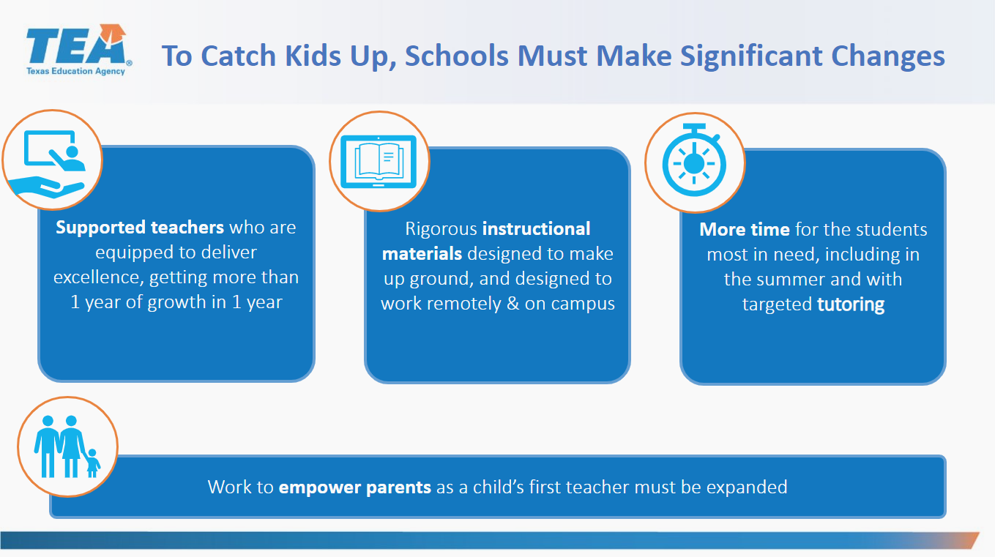
An integral portion of your SY21-22 plan will be defining your LEA's strategy to address unfinished learning. The purpose of this reflection tool is to help you systematically consider which research-based Learning Acceleration Strategies should be highest priority for your LEA. Note that this tool is meant to facilitate a conversation, not to use as a formula to determine the right outcome for you. Your team's knowledge of your local context will be essential in selecting the right number and subset of strategies.

Instructions:
1. For each Learning Acceleration Strategy (Column D), consider the Reflection Questions in Column E. Discuss your answer (Yes/No/Somewhat) and check the box in the appropriate column (F-H). Record any reflection notes in Column I. Based on your reflections in Columns F-I, rate the current need for implementing each strategy in your LEA as High, Medium, Low, or Already in Place in Column J. [For more information about each learning acceleration strategy, see Tab 4: References]
2. Once you have completed your Current State Assessment (Columns C-J), your team will need to determine which subset of strategies you will pursue for SY21-22. It is not realistic or productive to take on too many Learning Acceleration Strategies at once, even if there is a high need for many strategies. To start prioritizing which strategies you will select, assess the level of effort it would take to implement each strategy successfully. To determine this, consider current state, leadership capacity, local context, etc. Rate the effort required for implementing each strategy as high, medium, or low in Column L.
3. Your team will assign a priority level to each strategy in Column N. Options include Top Priority, Maybe Later, Deprioritized, and Already In Place. Top Priorities will move forward to implementation planning. To determine the right total number of strategies to move forward, reflect realistically on your team's size and capacity. You shold also carefully consider trade offs between need and level of effort. For example, you might choose fewer high need strategies to move forward if the level of effort necessary to implement is also higher. After reflecting, select an appropriate number of strategies to prioritize. Ensure that you include these strategies in your Funding Plan.
Learning Acceleration Readiness Reflection Tool
CURRENT STATE ASSESSMENT
 | Learning Acceleration Strategy |  | System Readiness Reflection | Is this present at my school/LEA? |  |  | Reflection Notes |  | Effort Level
 |  |  |  | Yes | No | Somewhat |  | Current Need |  | Priority Level
Supported Teachers | Build Teacher Capcity to... | Implement Key Components of Effective Instruction in Reading Language Arts | Do students have explicit, systematic practice with Foundational Skills? |  |  |  | Reading instruction is a top priority for the district. Additional support is needed in instructional delivery, developing systematic practice with foundational skills and utilization of data to drive instruction. We have curriculum in place, however, we have many teachers new to the profession who need professional development and coaching support to improve instructional practices. | High | High | Top Priority
 |  |  | Does our current approach to literacy include opportunities for students to read, write, and speak about both literary and informational grade-level texts?
 |  |  | Do we have embedded literacy assessments that drive instruction?
 |  |  | Are teachers trained in delivering research-based literacy instruction? Is that training translating to effective practice?

 |  | Implement Key Components of Effective Instruction in Math | Does our current approach to math include a strategic progression of concepts, not just isolated skills? |  |  |  | Additional support is needed in instructional delivery, developing systematic practice with foundational skills and utilization of data to drive instruction. We have curriculum in place but do need additional curriculum supporsts. We also have many new teachers to the profession who need professional development and coaching support to improve instructional practices. | Medium | High
 |  |  | Does our approach emphasize mastery of conceptual understanding prior to moving to procedural fluency and applications?
 |  |  | Do we have embedded math assessments that drive instruction?
 |  |  | Are teachers trained in delivering research-based math instruction? Is that training translating to effective practice?

 |  | Deliver Interventions and Individualized Supports (e.g. Just-in-Time Intervention, Differentiation, Scaffolding, and Small Group/1:1 Intervention) | Do we have a plan to collect student-level data on prerequisite skill gaps? |  |  |  | This is an area of great focus for our district. We are in the process of developing systems for collection of data, review of data to determine student instructional gaps, developing strategies and techniques for targeting needs through tiered interventions systems, and monitoring of interventions for effectiveness. | High | High
 |  |  | Do we have enough time and flexiblity in our schedule and staffing model to allow for strategic pre-teaching?
 |  |  | Do we have instructional materials aligned to prerequisite skill gaps that teachers can use for pre-teaching or interventions?
 |  |  | Do we have a clear set of researched-based differentiation/scaffolding strategies (e.g., leveled texts and questioning) that teachers know how to implement?
 |  |  | Do we have a plan in place to monitor student progress and the effectiveness of intervention programs?

 | Add Instructional Support Staff |  | Do we have additional staff who could be reassigned to support student interventions? |  |  |  | Additional support staff are necessary to provide student support or interventions in content areas as well as through extended learning and summer learning. Finding qualified staff is a challenge in the current climate, but we do have a system for coaching and providing support to staff we hire. | Medium | High
 |  |  | Have we historically been able to find and hire high-quality paraeducators and interventionists?
 |  |  | Do we have a system in place for training and coaching instructional support staff?
 |  |  | Have teachers been trained on how to utilize instructional support staff in their classrooms?

Rigorous Instructional Materials | Ensure that all students have access to high-quality instructional materials |  | Have we adopted materials across all grade levels and subject areas that are considered high quality by the Texas Resource Review (TRR) (i.e. Full coverage of TEKS and ELPS and rated 80% or above in the 3 essential rubric domains)? |  |  |  | GISD has the isntructional materials needed for core instruction. However, with the learning loss related to the pandemic, we do need additional support materials to utilzie for extended learning and summer instruction. | Medium | High
 |  |  | If our instructional materials have not been externally rated, do TRR Rubrics indicate that they are high quality?
 |  |  | Do our instructional materials support all learners, including students with disabilities, English Learners, and students identified as gifted and talented?
 |  |  | Are teachers adequately trained on those materials?
 |  |  | Are those materials currently implemented with fidelity?
 |  |  | Do we have formative and summative assessments in place aligned to these materials that enable frequent progress monitoring toward grade-level mastery?

Create More Time for Learning | Provide Summer Learning Opportunities |  | Do we have the physical space, financial resources, and time necessary to provide summer programming? |  |  |  | Transportation is a great need. In order to ensure student attendance for activities outside of the school day, families require assistance with transportation. Many of our families work multiple jobs or at times that do not allow them to transport their students to/from school. We currently struggle with the ability to accommodate all students who are in need of summer school. These additional funds will assist with expanding options and provide curriculum. | Medium | High
 |  |  | Do we have qualified staff who are able and willing to support learning during the summer?
 |  |  | Do we have a clear vision and plan for how summer learning time will increase students' readiness for the school year?
 |  |  | Is there demand from families for summer programs?

 | Extend Instructional Time |  | Do we have access to the financial resources and physical space necessary to extend instructional time by lengthening the day or year? |  |  |  | Transportation is a great need. In order to ensure student attendance for activities outside of the school day, families require assistance with transportation. Many of our families work multiple jobs or at times that do not allow them to transport their students to/from school. Currently our extended instructional time is not as focused and data driven as it needs to be. We will utilize funds to provide the curriculum needed and develop process for tracking outcomes of extended learning opportunities.
 |  |  | Do we have access to qualified staff who could support learning during that extended time?
 |  |  | Do we have the leadership capacity to develop a clear vision and plan for a high impact use of that time?
 |  |  | Do we have buy in from the family and community on the option of extended instructional time?

 | Provide High-Dosage Tutoring |  | Do we have high-quality materials that could be utilized by tutors?
 |  |  | Do we have adequate time in the schedule (or outside of school hours) to ensure students engage in at least 3 sessions per week?
 |  |  | Do we have access to sufficient numbers of staff or volunteers to provide consistent supports and resources to compensate them (if necessary)?
 |  |  | Do we have the capacity to adequately train and monitor our tutoring corps?

 | Create Acceleration Academies |  | Do we have space in our schedule (holiday breaks, intersessions, weekends) to provide additional instruction in a focus content area?
 |  |  | Do we have highly qualified teachers who could work in this setting and resources to compensate them?
 |  |  | Do we have high quality instructional materials to use in the academies?
 |  |  | Do we have a sufficient need and interest from families for such a model?

Empower Parents | Engage Families |  | Do we have systems in place to ensure that every family has one primary point-of-contact at the school (especially for secondary campuses)? |  |  |  | Family engagement is crucial. Following the pandemic, we have seen many students and families who are struggling with the additional pressures of virtual learning, learning loss, social-emotional needs. It is necessary to engage famiiles, determine need and help meet the identiifed needs.
 |  |  | Is there demand from families and the community for more contact and resources to support learning at home?
 |  |  | Have we ever provided training for parents to support their students at home?
 |  |  | Do we have translation resources and other supports to ensure that we can reach all families?

 | Provide Wraparound Services |  | Do we have a plan in place to measure students' social, emotional, and mental health needs? |  |  |  | Many of our students, families, and staff have social, emotional and mental health needs. The needs far out way the current capacity of our counseling staff. We will need to add additional staffing and curriculum supports to assist in meeting the needs of our stakeholders.
 |  |  | Do we have sufficient staff to meet students' needs, such as counselors, social workers, and school psychologists?
 |  |  | Do we have access to resources (e.g. curriculum, technology) to support students' social and emotional development?
 |  |  | Is there time built into the school day for students to receive individualized wraparound supports?

